Foglio1


i.Mx8MP ALT6 | i.Mx8MP ALT5 | i.Mx8MP ALT4 | i.Mx8MP ALT3 | i.Mx8MP ALT2 | i.Mx8MP ALT1 | i.Mx8MP ALT0 | DTS Enableable ALT | Default Functions | i.Mx8MP Name(*) | Name | CM4 CARRIER 40-pin GPIO mapping |  | Name | i.Mx8MP Name(*) | Default Functions | DTS Enableable ALT | i.Mx8MP ALT0 | i.Mx8MP ALT1 | i.Mx8MP ALT2 | i.Mx8MP ALT3 | i.Mx8MP ALT4 | i.Mx8MP ALT5 | i.Mx8MP ALT6
 |  |  |  |  |  |  |  |  |  | 3.3V | 1 | 2 | 5V
 | GPIO3_IO25 |  | I2C5_SDA | PWM1_OUT | SAI1_TX_BCLK | SAI5_MCLK | ALT5 | I2C5 SDA | GPIO3.IO[25] | GPIO2 | 3 | 4 | 5V
 | GPIO3_IO21 | PDM_BIT_STREAM0 | I2C5_SCL | PWM2_OUT | SAI1_TX_DATA2 | SAI5_RX_DATA0 | ALT5 | I2C5 SCL | GPIO3.IO[21] | GPIO3 | 5 | 6 | GND
 | GPIO2_IO08 | UART3_TX | I2C2_SCL |  |  | USDHC1_DATA6 | ALT4 | GPIO | GPIO2.IO[8] | GPIO4 | 7 | 8 | GPIO14 | GPIO4.IO[21] | UART1 TX | ALT5 | SAI2_RX_SYNC | SAI5_TX_SYNC | SAI5_TX_DATA1 | SAI2_RX_DATA1 | UART1_TX | GPIO4_IO21 | PDM_BIT_STREAM2
 |  |  |  |  |  |  |  |  |  | GND | 9 | 10 | GPIO15 | GPIO4.IO[22] | UART1 RX | ALT5 | SAI2_RX_BCLK | SAI5_TX_BCLK |  | FLEXCAN1_TX | UART1_RX | GPIO4_IO22 | PDM_BIT_STREAM1
PDM_BIT_STREAM3 | GPIO4_IO23 | UART1_RTS_B | SAI2_TX_DATA1 | ENET_QOS_1588_EVENT2_OUT | SAI5_TX_DATA0 | SAI2_RX_DATA0 | ALT4 | GPIO | GPIO4.IO[23] | GPIO17 | 11 | 12 | GPIO18 | GPIO5.IO[13] | GPIO | ALT0 | ECSPI2_SS0 | UART4_RTS_B | I2C4_SDA |  | CCM_CLKO2 | GPIO5_IO13
 | GPIO2_IO05 | UART2_RX | I2C4_SDA |  | ENET1_RGMII_RD1 | USDHC1_DATA3 | ALT0 | GPIO | GPIO2.IO[5] | GPIO27 | 13 | 14 | GND
 | GPIO2_IO00 | UART1_TX | I2C5_SCL |  | ENET1_MDC | USDHC1_CLK | ALT0 | GPIO | GPIO2.IO[0] | GPIO22 | 15 | 16 | GPIO23 | GPIO2.IO[1] | GPIO | ALT0 | USDHC1_CMD | ENET1_MDIO |  | I2C5_SDA | UART1_RX | GPIO2_IO01
 |  |  |  |  |  |  |  |  |  | 3.3V | 17 | 18 | GPIO24 | GPIO2.IO[2] | GPIO | ALT0 | USDHC1_DATA0 | ENET1_RGMII_TD1 |  | I2C6_SCL | UART1_RTS_B | GPIO2_IO02
 | GPIO5_IO07 |  | SAI7_RX_BCLK | I2C1_SDA | UART3_TX | ECSPI1_MOSI | ALT5 | SPI1 MOSI | GPIO5.IO[7] | GPIO10 | 19 | 20 | GND
 | GPIO5_IO08 |  | SAI7_RX_DATA0 | I2C2_SCL | UART3_CTS_B | ECSPI1_MISO | ALT5 | SPI1 MISO | GPIO5.IO[8] | GPIO9 | 21 | 22 | GPIO25 | GPIO2.IO[3] | GPIO | ALT0 | USDHC1_DATA1 | ENET1_RGMII_TD0 |  | I2C6_SDA | UART1_CTS_B | GPIO2_IO03
 | GPIO5_IO06 |  | SAI7_RX_SYNC | I2C1_SCL | UART3_RX | ECSPI1_SCLK | ALT5 | SPI1 SCLK | GPIO5.IO[6] | GPIO11 | 23 | 24 | GPIO8 | GPIO5.IO[9] | SPI1 CS | ALT5 | ECSPI1_SS0 | UART3_RTS_B | I2C2_SDA | SAI7_TX_SYNC |  | GPIO5_IO09
 |  |  |  |  |  |  |  |  |  | GND | 25 | 26 | GPIO7 | GPIO4.IO[26] | GPIO | ALT3 | SAI2_TX_DATA0 | SAI5_TX_DATA3 | ENET_QOS_1588_EVENT2_IN | FLEXCAN2_TX | ENET_QOS_1588_EVENT2_AUX_IN | GPIO4_IO26
 | GPIO3_IO20 | PDM_CLK | I2C6_SDA | PWM3_OUT | SAI1_TX_DATA1 | SAI5_RX_BCLK | ALT5 | I2C6 SDA | GPIO3.IO[20] | GPIO0 | 27 | 28 | GPIO1 | GPIO3.IO[19] | I2C6 SCL | ALT5 | SAI5_RX_SYNC | SAI1_TX_DATA0 | PWM4_OUT | I2C6_SCL |  | GPIO3_IO19
 | GPIO2_IO09 | UART3_RX | I2C2_SDA |  | ENET1_RX_ER | USDHC1_DATA7 | ALT4 | GPIO | GPIO2.IO[9] | GPIO5 | 29 | 30 | GND
SAI3_MCLK | GPIO4_IO27 | ENET_QOS_1588_EVENT3_AUX_IN | FLEXCAN2_RX | ENET_QOS_1588_EVENT3_IN | SAI5_MCLK | SAI2_MCLK | ALT3 | GPIO | GPIO4.IO[27] | GPIO6 | 31 | 32 | GPIO12 | GPIO5.IO[2] | PWM4 | ALT5 | SAI3_MCLK | PWM4_OUT | SAI5_MCLK |  | SPDIF1_OUT | GPIO5_IO02 | SPDIF1_IN
 | GPIO5_IO05 |  | GPT1_COMPARE3 |  | PWM1_OUT | SPDIF1_EXT_CLK | ALT5 | PWM1 | GPIO5.IO[5] | GPIO13 | 33 | 34 | GND
 | GPIO5_IO12 | CCM_CLKO1 | SAI7_MCLK | I2C4_SCL | UART4_CTS_B | ECSPI2_MISO | ALT0 | GPIO | GPIO5.IO[12] | GPIO19 | 35 | 36 | GPIO16 | GPIO4.IO[24] | GPIO | ALT4 | SAI2_TX_SYNC | SAI5_TX_DATA1 | ENET_QOS_1588_EVENT3_OUT | SAI2_TX_DATA1 | UART1_CTS_B | GPIO4_IO24 | PDM_BIT_STREAM2
 | GPIO2_IO04 | UART2_TX | I2C4_SCL |  | ENET1_RGMII_RD0 | USDHC1_DATA2 | ALT0 | GPIO | GPIO2.IO[4] | GPIO26 | 37 | 38 | GPIO20 | GPIO5.IO[11] | GPIO | ALT0 | ECSPI2_MOSI | UART4_TX | I2C3_SDA | SAI7_TX_DATA0 |  | GPIO5_IO11
 |  |  |  |  |  |  |  |  |  | GND | 39 | 40 | GPIO21 | GPIO5.IO[10] | GPIO | ALT0 | ECSPI2_SCLK | UART4_RX | I2C3_SCL | SAI7_TX_BCLK |  | GPIO5_IO10

Special Functions Pins
Name | i.Mx8MP Name(*) | Default Functions | DTS Enableable ALT | i.Mx8MP ALT0 | i.Mx8MP ALT1 | i.Mx8MP ALT2 | i.Mx8MP ALT3 | i.Mx8MP ALT4 | i.Mx8MP ALT5 | i.Mx8MP ALT6
GPIO44 | GPIO5.IO[17] | I2C2 SDA | ALT5 | I2C2_SDA | ENET_QOS_1588_EVENT1_OUT | USDHC3_WP | ECSPI1_SS0 |  | GPIO5_IO17
GPIO45 | GPIO5.IO[16] | I2C2 SCL | ALT5 | I2C2_SCL | ENET_QOS_1588_EVENT1_IN | USDHC3_CD_B | ECSPI1_MISO | ENET_QOS_1588_EVENT1_AUX_IN | GPIO5_IO16

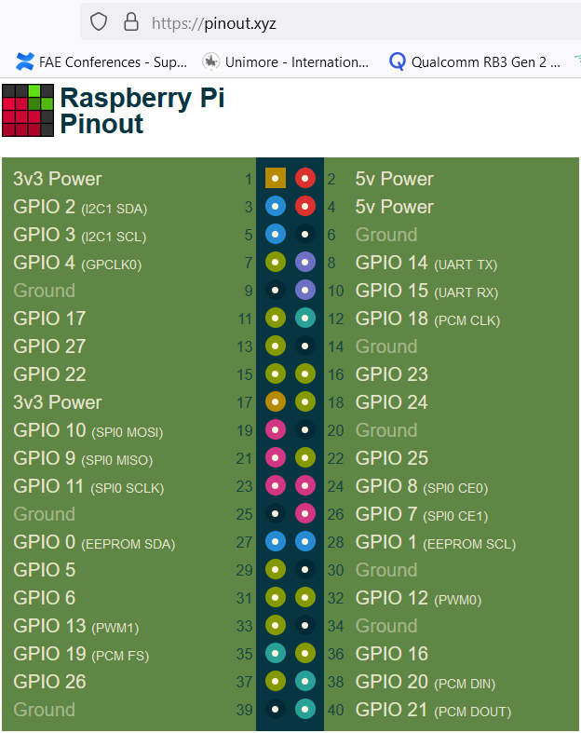

NOTES:
*Colums i.Mx8MP Name indicates GPIO names referring to i.Mx8MPlus Reference Manual. The enumeration starts from 1.
Linux gpiochip are enumerated differently starting from zero, so e.g. GPIO2.IO[0] corresponds to gpiochip1 line 0.

